S Str&Pad
Brunei |  |  | perc_baseline |  | perc_target |  | RR_d | RR_i | perc_fatal_side | perc_nonfatal_side |  |  |  | lcl_bl_deaths | lcl_bl_nonfatal |  | affected_deaths | rest_deaths | affected_deaths= affected_deaths* (1 - `prop_target'*(1-`RR_d'))/(1 - `prop_baseline'*(1-`RR_d'))
REG | TECHNOLOGY |  | CURRENT AVAILABILITY | INTERVENTION | COUNTERFACTUAL USE | Affected Groups | RELATIVE RISK (death) | RELATIVE RISK (injury) | PROP. OF SIDE CRASHES (death) | PROP OF SIDE CRASHES (injuries) | POPULATION AFFECTED |  |  | BASELINE DEATHS | BASELINE INJURIES | AFFECTED GROUP | AFFECTED DEATHS |  | INTERVENTION
UN 95, UN 135 | SIDE STR&PADD |  | 0 | SIDE STRUCTURE IN ALL CAR, TRUCK, BUS | 1 | Occupants | 0.79 | 0.79 | 0.25 | 0.337
 |  |  |  |  |  |  |  |  |  |  | Cause | Sex | Age | Deaths | Injuries | NO=0 / YES=1 | Deaths | Deaths | Deaths
 |  |  |  |  |  |  |  |  |  |  | Pedestrian | Male | <5 years | 0 | 1 | 0 | 0.33 | 0.00 | 0
 |  |  |  |  |  |  |  |  |  |  | Pedestrian | Male | 5-9 years | 0 | 3 | 0 | 0.35 | 0.00 | 0
 |  |  |  |  |  |  |  |  |  |  | Pedestrian | Male | 10-14 years | 0 | 6 | 0 | 0.19 | 0.00 | 0
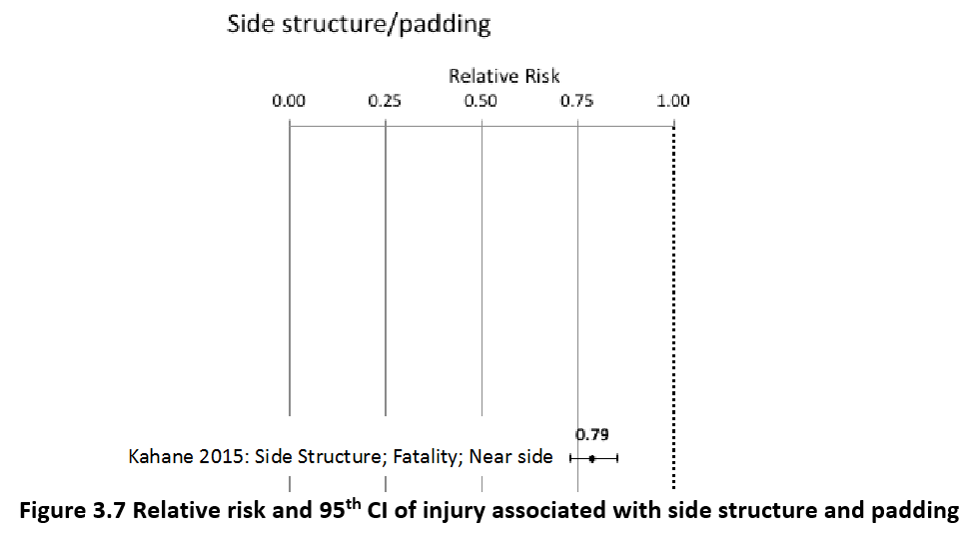
 |  |  |  |  |  |  |  |  |  |  | Pedestrian | Male | 15-19 years | 0 | 12 | 0 | 0.23 | 0.00 | 0
 |  |  |  |  |  |  |  |  |  |  | Pedestrian | Male | 20-24 years | 1 | 20 | 0 | 1.00 | 0.00 | 1
 |  |  |  |  |  |  |  |  |  |  | Pedestrian | Male | 25-29 years | 1 | 23 | 0 | 0.93 | 0.00 | 1
 |  |  |  |  |  |  |  |  |  |  | Pedestrian | Male | 30-34 years | 1 | 21 | 0 | 1.04 | 0.00 | 1
 |  |  |  |  |  |  |  |  |  |  | Pedestrian | Male | 35-39 years | 1 | 19 | 0 | 0.99 | 0.00 | 1
 |  |  |  |  |  |  |  |  |  |  | Pedestrian | Male | 40-44 years | 1 | 17 | 0 | 1.02 | 0.00 | 1
 |  |  |  |  |  |  |  |  |  |  | Pedestrian | Male | 45-49 years | 1 | 14 | 0 | 1.11 | 0.00 | 1
 |  |  |  |  |  |  |  |  |  |  | Pedestrian | Male | 50-54 years | 1 | 9 | 0 | 0.81 | 0.00 | 1
 |  |  |  |  |  |  |  |  |  |  | Pedestrian | Male | 55-59 years | 1 | 7 | 0 | 0.79 | 0.00 | 1
 |  |  |  |  |  |  |  |  |  |  | Pedestrian | Male | 60-64 years | 1 | 5 | 0 | 0.80 | 0.00 | 1
 |  |  |  |  |  |  |  |  |  |  | Pedestrian | Male | 65-69 years | 1 | 3 | 0 | 0.73 | 0.00 | 1
 |  |  |  |  |  |  |  |  |  |  | Pedestrian | Male | 70-74 years | 1 | 1 | 0 | 0.58 | 0.00 | 1
 |  |  |  |  |  |  |  |  |  |  | Pedestrian | Male | 75-79 years | 1 | 1 | 0 | 0.55 | 0.00 | 1
 |  |  |  |  |  |  |  |  |  |  | Pedestrian | Male | 80-84 years | 0 | 0 | 0 | 0.45 | 0.00 | 0
 |  |  |  |  |  |  |  |  |  |  | Pedestrian | Male | 85+ | 0 | 0 | 0 | 0.12 | 0.00 | 0
 |  |  |  |  |  |  |  |  |  |  | Pedestrian | Female | <5 years | 0 | 1 | 0 | 0.13 | 0.00 | 0
 |  |  |  |  |  |  |  |  |  |  | Pedestrian | Female | 5-9 years | 0 | 3 | 0 | 0.14 | 0.00 | 0
 |  |  |  |  |  |  |  |  |  |  | Pedestrian | Female | 10-14 years | 0 | 6 | 0 | 0.12 | 0.00 | 0
 |  |  |  |  |  |  |  |  |  |  | Pedestrian | Female | 15-19 years | 0 | 11 | 0 | 0.17 | 0.00 | 0
 |  |  |  |  |  |  |  |  |  |  | Pedestrian | Female | 20-24 years | 0 | 12 | 0 | 0.17 | 0.00 | 0
 |  |  |  |  |  |  |  |  |  |  | Pedestrian | Female | 25-29 years | 0 | 10 | 0 | 0.14 | 0.00 | 0
 |  |  |  |  |  |  |  |  |  |  | Pedestrian | Female | 30-34 years | 0 | 9 | 0 | 0.16 | 0.00 | 0
 |  |  |  |  |  |  |  |  |  |  | Pedestrian | Female | 35-39 years | 0 | 8 | 0 | 0.25 | 0.00 | 0
 |  |  |  |  |  |  |  |  |  |  | Pedestrian | Female | 40-44 years | 0 | 7 | 0 | 0.24 | 0.00 | 0
 |  |  |  |  |  |  |  |  |  |  | Pedestrian | Female | 45-49 years | 0 | 7 | 0 | 0.28 | 0.00 | 0
 |  |  |  |  |  |  |  |  |  |  | Pedestrian | Female | 50-54 years | 0 | 7 | 0 | 0.41 | 0.00 | 0
 |  |  |  |  |  |  |  |  |  |  | Pedestrian | Female | 55-59 years | 0 | 7 | 0 | 0.43 | 0.00 | 0
 |  |  |  |  |  |  |  |  |  |  | Pedestrian | Female | 60-64 years | 1 | 7 | 0 | 0.68 | 0.00 | 1
 |  |  |  |  |  |  |  |  |  |  | Pedestrian | Female | 65-69 years | 1 | 6 | 0 | 0.86 | 0.00 | 1
 |  |  |  |  |  |  |  |  |  |  | Pedestrian | Female | 70-74 years | 1 | 3 | 0 | 0.70 | 0.00 | 1
 |  |  |  |  |  |  |  |  |  |  | Pedestrian | Female | 75-79 years | 1 | 2 | 0 | 0.56 | 0.00 | 1
 |  |  |  |  |  |  |  |  |  |  | Pedestrian | Female | 80-84 years | 0 | 1 | 0 | 0.35 | 0.00 | 0
...
Brunei |  |  | perc_baseline |  | perc_target |  | RR_d | RR_i | perc_fatal_side | perc_nonfatal_side
TOTAL | 61 | 3369 | 60 | 3297
 |  | Red.Per. | 0.020268223178 | 0.021231 |  |  |  |  |  |  | Bicyclist | Male | 50-54 years | 0
 |  |  |  |  |  |  |  |  |  |  | Bicyclist | Male | 55-59 years | 0
SIDE STR&PADD | BASELINE DEATHS | BASELINE INJURIES | SIDE STR&PADD | SIDE STR&PADD |  |  |  |  |  |  | Bicyclist | Male | 60-64 years | 0
Pedestrian | 18 | 269 | 18 | 269 |  |  |  |  |  |  | Bicyclist | Male | 65-69 years | 0
Bicyclist | 4 | 101 | 4 | 101 |  |  |  |  |  |  | Bicyclist | Male | 70-74 years | 0
Motorcyclist | 15 | 1987 | 15 | 1987 |  |  |  |  |  |  | Bicyclist | Male | 75-79 years | 0
Occupant | 24 | 1011 | 22 | 939 |  |  |  |  |  |  | Bicyclist | Male | 80-84 years | 0
Other | 1 | 0 | 1 | 0 |  |  |  |  |  |  | Bicyclist | Male | 85+ | 0
TOTAL | 61 | 3369 | 60 | 3297 |  |  |  |  |  |  | Bicyclist | Female | <5 years | 0
Brunei
 | BASELINE DEATHS | SIDE STR&PADD
Pedestrian | 18 | 18
Bicyclist | 4 | 4
Motorized Two Wheeler | 15 | 15
Motorized Three Wheeler | 0 | 0
Car | 24 | 22
Bus | 0 | 0
Truck | 0 | 0
Other | 1 | 1
 |  |  |  |  |  |  |  |  |  |  | Bicyclist | Female | 5-9 years | 0
Brunei
 | BASELINE INJURIES | SIDE STR&PADD
Pedestrian | 269 | 269
Bicyclist | 101 | 101
Motorized Two Wheeler | 1987 | 1987
Motorized Three Wheeler | 0 | 0
Car | 1011 | 939
Bus | 0 | 0
Truck | 0 | 0
Other | 0 | 0
 |  |  |  |  |  |  |  |  |  |  | Bicyclist | Female | 10-14 years | 0
 |  |  |  |  |  |  |  |  |  |  | Bicyclist | Female | 15-19 years | 0
 |  |  |  |  |  |  |  |  |  |  | Bicyclist | Female | 20-24 years | 0
 |  |  |  |  |  |  |  |  |  |  | Bicyclist | Female | 25-29 years | 0
 |  |  |  |  |  |  |  |  |  |  | Bicyclist | Female | 30-34 years | 0
 |  |  |  |  |  |  |  |  |  |  | Bicyclist | Female | 35-39 years | 0
 |  |  |  |  |  |  |  |  |  |  | Bicyclist | Female | 40-44 years | 0
 |  |  |  |  |  |  |  |  |  |  | Bicyclist | Female | 45-49 years | 0
 |  |  |  |  |  |  |  |  |  |  | Bicyclist | Female | 50-54 years | 0
 |  |  |  |  |  |  |  |  |  |  | Bicyclist | Female | 55-59 years | 0
 |  |  |  |  |  |  |  |  |  |  | Bicyclist | Female | 60-64 years | 0
 |  |  |  |  |  |  |  |  |  |  | Bicyclist | Female | 65-69 years | 0
 |  |  |  |  |  |  |  |  |  |  | Bicyclist | Female | 70-74 years | 0
 |  |  |  |  |  |  |  |  |  |  | Bicyclist | Female | 75-79 years | 0
 |  |  |  |  |  |  |  |  |  |  | Bicyclist | Female | 80-84 years | 0
 |  |  |  |  |  |  |  |  |  |  | Bicyclist | Female | 85+ | 0
 |  |  |  |  |  |  |  |  |  |  | Motorized Two Wheeler | Male | <5 years | 0
 |  |  |  |  |  |  |  |  |  |  | Motorized Two Wheeler | Male | 5-9 years | 0
 |  |  |  |  |  |  |  |  |  |  | Motorized Two Wheeler | Male | 10-14 years | 0
 |  |  |  |  |  |  |  |  |  |  | Motorized Two Wheeler | Male | 15-19 years | 1
Brunei
Brunei
 |  |  |  |  |  |  |  |  |  |  | Motorized Two Wheeler | Male | 20-24 years | 2
 |  |  |  |  |  |  |  |  |  |  | Motorized Two Wheeler | Male | 25-29 years | 2
 |  |  |  |  |  |  |  |  |  |  | Motorized Two Wheeler | Male | 30-34 years | 1
 |  |  |  |  |  |  |  |  |  |  | Motorized Two Wheeler | Male | 35-39 years | 1
 |  |  |  |  |  |  |  |  |  |  | Motorized Two Wheeler | Male | 40-44 years | 1
 |  |  |  |  |  |  |  |  |  |  | Motorized Two Wheeler | Male | 45-49 years | 1
 |  |  |  |  |  |  |  |  |  |  | Motorized Two Wheeler | Male | 50-54 years | 1
 |  |  |  |  |  |  |  |  |  |  | Motorized Two Wheeler | Male | 55-59 years | 1
 |  |  |  |  |  |  |  |  |  |  | Motorized Two Wheeler | Male | 60-64 years | 0
 |  |  |  |  |  |  |  |  |  |  | Motorized Two Wheeler | Male | 65-69 years | 0
 |  |  |  |  |  |  |  |  |  |  | Motorized Two Wheeler | Male | 70-74 years | 0
 |  |  |  |  |  |  |  |  |  |  | Motorized Two Wheeler | Male | 75-79 years | 0
 |  |  |  |  |  |  |  |  |  |  | Motorized Two Wheeler | Male | 80-84 years | 0
 |  |  |  |  |  |  |  |  |  |  | Motorized Two Wheeler | Male | 85+ | 0
 |  |  |  |  |  |  |  |  |  |  | Motorized Two Wheeler | Female | <5 years | 0
 |  |  |  |  |  |  |  |  |  |  | Motorized Two Wheeler | Female | 5-9 years | 0
 |  |  |  |  |  |  |  |  |  |  | Motorized Two Wheeler | Female | 10-14 years | 0
 |  |  |  |  |  |  |  |  |  |  | Motorized Two Wheeler | Female | 15-19 years | 0
 |  |  |  |  |  |  |  |  |  |  | Motorized Two Wheeler | Female | 20-24 years | 0
 |  |  |  |  |  |  |  |  |  |  | Motorized Two Wheeler | Female | 25-29 years | 0
 |  |  |  |  |  |  |  |  |  |  | Motorized Two Wheeler | Female | 30-34 years | 0
 |  |  |  |  |  |  |  |  |  |  | Motorized Two Wheeler | Female | 35-39 years | 0
 |  |  |  |  |  |  |  |  |  |  | Motorized Two Wheeler | Female | 40-44 years | 0
 |  |  |  |  |  |  |  |  |  |  | Motorized Two Wheeler | Female | 45-49 years | 0
 |  |  |  |  |  |  |  |  |  |  | Motorized Two Wheeler | Female | 50-54 years | 0
 |  |  |  |  |  |  |  |  |  |  | Motorized Two Wheeler | Female | 55-59 years | 0
 |  |  |  |  |  |  |  |  |  |  | Motorized Two Wheeler | Female | 60-64 years | 0
 |  |  |  |  |  |  |  |  |  |  | Motorized Two Wheeler | Female | 65-69 years | 0
 |  |  |  |  |  |  |  |  |  |  | Motorized Two Wheeler | Female | 70-74 years | 0
 |  |  |  |  |  |  |  |  |  |  | Motorized Two Wheeler | Female | 75-79 years | 0
 |  |  |  |  |  |  |  |  |  |  | Motorized Two Wheeler | Female | 80-84 years | 0
...

